Assembly Process Flow
Customer Board Assembly Process Flow (Generic)
Placement Machine 3
Flip board
Print Process
Paste Inspection
Placement Machine 1
Placement Machine 2
Reflow Process

Placement Machine 3
Hand Carry Brd to Pallet
Reflow Process
Print Process
Paste Inspection
Placement Machine 1
Placement Machine 2

AXI
Functional Test
ICT Test

Please provide the specific board assembly process flow that will be used for your Socket V (LGA1700) build to Intel

Materials
Materials

Attributes | Details | Attributes | Details
Solder Paste Brand |  | Socket Vendor Used
Solder Paste Model |  | Socket Lot# Used
Solder Alloy |  | Socket Qty Built
Solder Powder Size
Board Size
Panel Size
PCB Information
PCB Supplier
PCB Surface Finish
Solder Mask Chemistry
Laminate Material Type
PCB Thickness (+/-)

Please provide the Board File used for this build to Intel

Top Side

Reflow
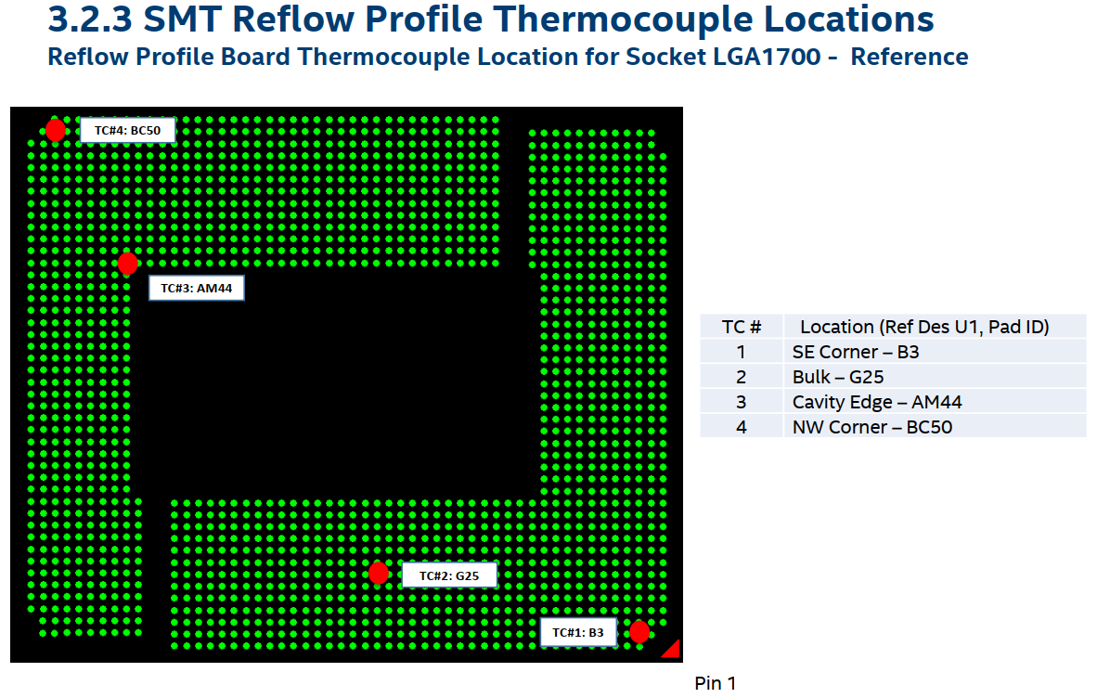
Secondary Side Reflow Process |  | Primary Side Reflow Process (Socket Side)

Attributes | Details | Attributes | Details
Reflow Machine Brand |  | Reflow Machine Brand
Reflow Machine Model |  | Reflow Machine Model
Reflow Ambient (if N2, specify O2 PPM) |  | Reflow Ambient (if N2, specify O2 PPM)
Reflow Oven Zones |  | Reflow Oven Zones
Reflow Pallet |  | Reflow Pallet
If Yes, Reflow Pallet Material |  | If Yes, Reflow Pallet Material
Clamps used for Pallet? |  | Clamps used for Pallet?
Are Pallet Product Specific or Generic |  | Are Pallet Product Specific or Generic
Are boards manually placed in Reflow Pallets |  | Are boards manually placed in Reflow Pallets
Reflow Belt Speed |  | Reflow Belt Speed
Reflow Peak Temperature Range |  | Reflow Peak Temperature Range
Time Above Liquidus (≥ 220 oC) |  | Time Above Liquidus (≥ 220 oC)
Soak Range |  | Soak Range
Soak Time |  | Soak Time
Attach screen shot of reflow profile |  | Attach screen shot of reflow profile
Raw data of reflow profile |  | Raw data of reflow profile

Please send the raw data of Reflow Profile for Primary and Secondary Side to Intel
Please identify the locations where TC is attached for reflow profile board (for the Socket V/LGA1700)
Please send a picture of the reflow pallet used (for the Socket V/LGA1700)
Please Specify Board Travel Direction (for the Socket V/LGA1700)

Intel Profile Recommendations
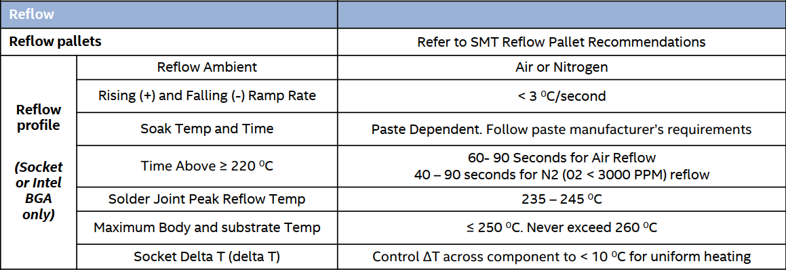

Thermocouple attach recommendations

